Problem 2
DEGREES TO RADIANS
PROBLEM 2
degrees | radians
0 | 0
10 | 0.1745329252
20 | 0.3490658504
30 | 0.5235987756
40 | 0.6981317008
50 | 0.872664626
60 | 1.0471975512
70 | 1.2217304764
80 | 1.3962634016
90 | 1.5707963268
100 | 1.745329252
110 | 1.9198621772
120 | 2.0943951024
130 | 2.2689280276
140 | 2.4434609528
150 | 2.617993878
160 | 2.7925268032
170 | 2.9670597284
180 | 3.1415926536
190 | 3.3161255788
200 | 3.490658504
210 | 3.6651914292
220 | 3.8397243544
230 | 4.0142572796
240 | 4.1887902048
250 | 4.36332313
260 | 4.5378560552
270 | 4.7123889804
280 | 4.8869219056
290 | 5.0614548308
300 | 5.235987756
310 | 5.4105206812
320 | 5.5850536064
330 | 5.7595865316
340 | 5.9341194568
350 | 6.108652382
360 | 6.2831853072

Problem 3
PROBLEM 3
Cost of Car | $15,000.00 | PART A
Bank Loan Interest Rate | 0.06
Length of Loan (Months) | 60

Monthly Payment: | ($289.99)

Cost of Car | $15,000.00 | PART B
Bank Loan Interest Rate | 0.06
Length of Loan (Months) | 81.295307332

Monthly Payment: | ($225.00)

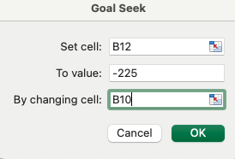
 |  | WORK

Problem 4
PROBLEM 4
k (N/m) | 500 | BEFORE
m (N/m^3) | 10000
x (compression in m) | 0.5
F(x) | 1500

k (N/m) | 500 | AFTER
m (N/m^3) | 10000
x (compression in m) | 0.23625653782
F(x) | 249.99993893

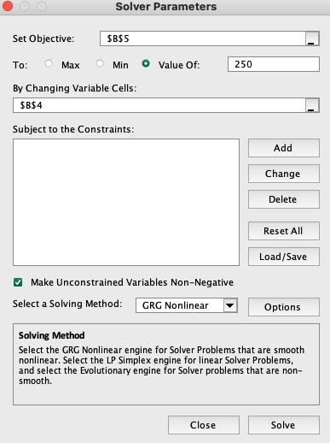
 |  | WORK

Problem 5
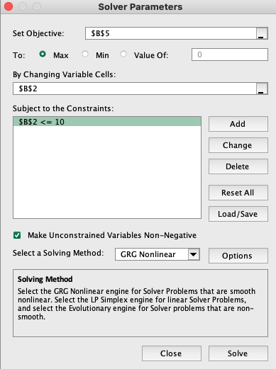
PROBLEM 5
x | 10
y | 8316

local maximum: (x <= 10) | 8316

Problem 6
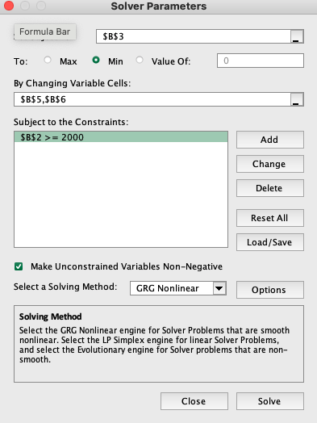
PROBLEM 6
Volume of Cylinder (L) | 2000
Surface Area | 878.75513254

radius | 6.8278412825
height | 13.655678665

Problem 7
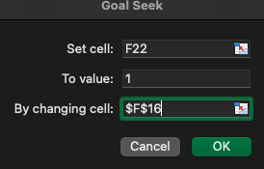
PROBLEM 7

Beam Deflection

Constants
F | 100 | N
L | 3 | ft
 | 0.9144 | m
E | 30000000 | psi
 | 2.068427188E+11 | Pa
b | 1 | in
 | 0.0254 | m

Guess Values |  |  | Goal Seek

d | 2.000 | in | d | 1.526 | in
 | 0.051 | m |  | 0.039 | m

Equations |  |  | Equations
I | 2.77E-07 | m^4 | I | 1.23E-07 | m^4
delta | 4.44E-04 | m | delta | 0.001000 | m
 | 0.444 | mm |  | 1.000 | mm

